Instructions
Please refer to the general descriptions of budget categories as you build your budget. Be sure to include a detailed explanation of each line item. If you include an indirect rate, please provide your organization's NICRA as supporting documentation.
In the chart, indicate all costs you expect to incur under this project. The budget item is the name of the expense (Project Director) and the description should break out the costs, as appropriate ($XX monthly salary x XX months @ XX%). Provide the total in the final block.
The budget may include administrative expenses linked to the project needs, such as communication (phone, fax, e-mail, postage), copying and print services, office materials (paper, toner, envelopes, etc.) needed to implement the project. Salaries should be calculated on the basis of the percentage of working time spent on the project and should include social taxes.
Please note that costs associated with entertainment, including amusement, diversion, and social activities and any associated costs may be allowable if they serve a programmatic purpose. Please be sure to provide sufficient justification for these proposed expenses in the budget narrative.
BUDGET CATEGORIES
The budget should be broken down by the following categories:
Personnel
This includes employees of organizations directly employed by the recipient organization that can be directly attributed to the grant. Please do not include the salaries of the general administrative or clerical personnel (secretaries, accountants, etc.) of your organization into this budget item. The salaries of those personnel should be counted as indirect costs, except in the circumstances when administrative or clerical personnel are integral to a project.
Fringe Benefits: Fringe benefits include cost items such as pension plans, health benefits, or other benefits for Personnel listed above. This is typically a percentage of Personnel costs.
Travel: This includes international and domestic air fares, local travel, ground transportation (taxis) per diem rates, hotel, and visa costs. When calculating travel expenses, please refer to the per diem rates established by your organization. Please note that per diem rates should not exceed maximum U.S. dollar rates established by the U.S. Government: http://aoprals.state.gov/content.asp?content_id=184&menu_id=78.
Note: Maximum USG rate is only used as an absolute limit that cannot be exceeded and should not be taken as an actual rate.
For international air fares, please note that all Federal Government-financed international air transportation must be accomplished by U.S. Flag air carriers or U.S. code sharing to the extent that service by those carriers is available. For information on other "open skies" agreements in which the United States has entered, please refer to GSA's website at http://www.gsa.gov/portal/content/103191.
Please make sure the total costs are as clear as possible. Please be as consistent as possible when calculating costs make sure per diem rates do not exceed federal per diem levels.
For example: Travel: Round trip train Moscow-Nizhny Novgorod = $XX; Hotel: 5 nights x 3 people @ $XX/night = $XX.
Equipment: This refers to items that cost $5,000 or more. Justification for including these items should be provided in the budget narrative, as well as information regarding what will happen to these items upon the completion of the grant. Printers, computers, etc., are typically considered supplies.
Supplies: This would include general office supplies, computer software, consumable automotive supplies, equipment, etc., with a value of less than $5,000. If your proposal includes an event, please break out expenses based on the number of people attending and be as specific as possible regarding what these expense cover. For example: Notebooks, pens, and paper for XX participants @ $XX each = $XXX
Contractual: This is limited to sub-awards (when the award recipient transfers money to another organization to assist with the project) or contractual agreement, such as hiring a consultant. This budget category should also be used to estimate any funding that will be provided to the partner organization.
Other Direct Costs: Other direct costs may include: speaker honorarium (daily rate required); food; “entertainment” costs are allowable ONLY if they serve a programmatic purpose; room rental (for meetings, lectures etc.); registration fees: communications (telephone, fax, internet); photocopying; office rent: this would be a portion of the monthly rent during the duration of the project.
Indirect Costs: If your organization has a Negotiated Indirect Cost Rate Agreement (NICRA), please include a copy of the NICRA in the proposal. If you elect to charge a de minimis rate of 10% of total direct costs, please make sure to calculate it correctly. Per 2 CFR 200.68, Modified Total Direct Cost (MTDC) means all direct salaries and wages, applicable fringe benefits, materials and supplies, services, travel, and up to the first $25,000of each sub-award (regardless of the period of performance of the sub-awards under the award). MTDC excludes equipment, capital expenditures, charges for patient care, rental costs, tuition remission, scholarships and fellowships, participant support costs and the portion of each sub-award in excess of $25,000.
Please see the sample budget to the right, and the calculations to the far right, which show what costs should be included to calculate the MTDC). Example of how to calculate 10% de minimus of MTDC for a grant with a total of $97,000 = 10,000 (Personnel) + 20,000 (Travel) + 4,000 (Supplies) + 25,000 (Sub-award) = $59,000. Thus 10% of MTDC would be $5,900. This number would be placed in the indirect costs line item.
Indirect Cost is the cost incurred for common or joint objectives of an organization and cannot be readily identified with a particular cost objective. Common indirect costs may include the cost of operating & maintain facilities, personnel & accounting administration, general administration, etc.
Cost Sharing: Cost sharing is not mandatory, but is encouraged. Include any organizational contributions to the project, including cash or “in-kind” contributions (such as using the organization’s office space for an event instead of renting space, etc.)

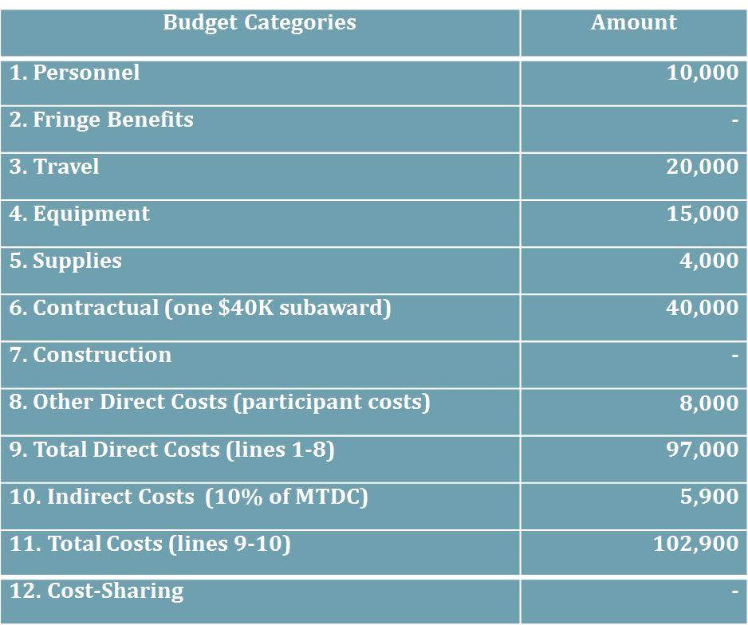

MTDC=
10,000
+
20,000
+
4,000
+
25,000
=
$59,000

Budget


 |  |  | U.S. EMBASSY PORT MORESBY
 |  |  | BUDGET APPLICATION
 |  |  | FY2023
 | Applicant:
 | Project Name:

No. | Budget Category | Breakdown/Description |  | US Embassy share | Cost-share if applicable | Total
1 | PERSONNEL
1.1 |  |  |  | $0.00
1.2 |  |  |  | $0.00
 | Sub-total Personnel |  |  | $0.00
2 | FRINGE BENEFITS
2.1 | Medical Insurance |  |  | $0.00
 | Sub-total Fringe Benefits
3 | TRAVEL
3.1 | Airfares
3.2
3.3
3.4
3.5
3.6
 | Sub-total Travel |  |  | $0.00
4 | EQUIPMENT
4.1 |  |  |  | $0.00
 | Sub-total Equipment
5 | SUPPLIES
5.1 | Supplies |  |  | $0.00
5.2 | Supplies |  |  | $0.00
5.3 | Supplies |  |  | $0.00
 | Sub-total Supplies
6 | CONTRACTUAL
6.1 | Contractual |  |  | $0.00
6.2 | Contractual |  |  | $0.00
6.3 | Contractual |  |  | $0.00
 | Sub-total Contractual
7 | OTHER DIRECT COSTS
7.1 | Other Direct Cost |  |  | $0.00
7.2 | Other Direct Cost |  |  | $0.00
7.3 | Other Direct Cost |  |  | $0.00
 | Sub-total Other Direct Costs
8 | TOTAL DIRECT COSTS
9 | INDIRECT COST
 | TOTAL GRANT REQUEST |  |  | $0.00
 | COST-SHARE
 | TOTAL |  |  |  |  | $0.00

