Sheet1
M&E PERFORMANCE MONITORING PLAN (PMP)
GRANTEE NAME: PROGRAM/PROJECT NAME: PERIOD OF PERFORMANCE: M&E BUDGET AMOUNT: (NOTE: This may consists largely of implementer staff time. Typical budgets are around 3-7% of the total budget.) Overview: The M&E Performance Monitoring Plan (PMP) is a project management tool designed to measure progress towards the goals and objectives identified in the NOFO. The PMP also clarifies how and when the grantee will collect data on those indicators, the resources they intend to use for both program implementation and M&E. PAS recognizes that this document is likely to change over the life of the project, and as such, it will be a work-in-progress. Please fill out both the narrative and PMP as detailed as possible. If your proposal is accepted, this PMP must be approved by the PAS M&E specialist prior to finalizing your grants package.

M&E NARRATIVE: (Describe how the applicant plans to monitor and evaluate performance and outcomes (results) of the proposed project. Include key personnel, management structure for M&E activities, including methodologies used to demonstrate indicators (focus groups, surveys, etc.) any technologies (online surveys, social media analysis programs, etc.), and a budget narrative focusing only on M&E line expenditures listed in your program budget. This narrative should clearly show you have the capacity to implement the PMP you are proposing. Limit two pages.)
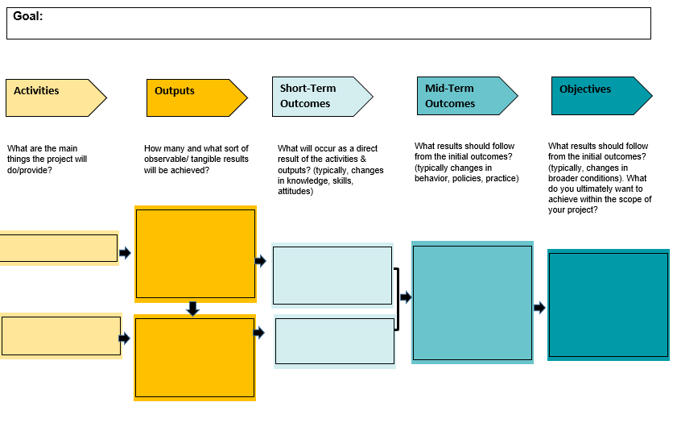 THEORY OF CHANGE: (To demonstrate that your project is measurable by design, please include the intended theory of change. This can be done with one, or a series of If-Then statements: “If __________ are completed, then these outcomes (be specific) will result in __________.” The theory of change may also be demonstrated with a Theory of Change diagram. A theory of change diagram is a type of logic model that explicitly illustrates the causal pathways between activities, outputs, outcomes, and objectives. There are many versions.)

M&E PMP DATASHEET:
Please fill in the below. This document will be included in your quarterly reporting. See the “PMP Glossary” for guidance on filling in this datasheet.
PROBLEM STATEMENT:
GOAL:
AUDIENCE:
OBJECTIVE 1:
 |  |  | Year 1 |  |  |  |  |  |  |  | Year 2 |  |  |  |  |  |  |  | Year 3
Activity | Indicator Description | How will you collect data? | Q? |  | Q? |  | Q? |  | Q? |  | Q? |  | Q? |  | Q? |  | Q? |  | Q? |  | Q? |  | Q? |  | Q? |  | Total | Percentage of target achieved
 |  |  | Month-Month |  | Month-Month |  | Month-Month |  | Month-Month |  | Month-Month |  | Month-Month |  | Month-Month |  | Month-Month |  | Month-Month |  | Month-Month |  | Month-Month |  | Month-Month
 |  |  | Target | Actual | Target | Actual | Target | Actual | Target | Actual | Target | Actual | Target | Actual | Target | Actual | Target | Actual | Target | Actual | Target | Actual | Target | Actual | Target | Actual
Activity 1.1: | Outcome 1.1:
 | Output 1.1.1:
 | Output 1.1.2:
Activity 1.2: | Outcome 1.2:
 | Output 1.2.1:
 | Output 1.2.2:
Activity 1.3: | Outcome 1.3:
 | Output 1.3.1:
 | Output 1.3.2:
AUDIENCE:
OBJECTIVE 2:
 |  |  | Year 1 |  |  |  |  |  |  |  | Year 2 |  |  |  |  |  |  |  | Year 3
Activity | Indicator Description | How will you collect data? | Q? |  | Q? |  | Q? |  | Q? |  | Q? |  | Q? |  | Q? |  | Q? |  | Q? |  | Q? |  | Q? |  | Q? |  | Total | Percentage of target achieved
 |  |  | Month-Month |  | Month-Month |  | Month-Month |  | Month-Month |  | Month-Month |  | Month-Month |  | Month-Month |  | Month-Month |  | Month-Month |  | Month-Month |  | Month-Month |  | Month-Month
 |  |  | Target | Actual | Target | Actual | Target | Actual | Target | Actual | Target | Actual | Target | Actual | Target | Actual | Target | Actual | Target | Actual | Target | Actual | Target | Actual | Target | Actual
Activity 2.1: | Outcome 2.1:
 | Output 2.1.1:
 | Output 2.1.2:
Activity 2.2: | Outcome 2.2:
 | Output 2.2.1:
 | Output 2.2.2:
Activity 2.3: | Outcome 2.3:
 | Output 2.3.1:
 | Output 2.3.2:
AUDIENCE:
OBJECTIVE 3:
Activity | Indicator Description | How will you collect data? | Q? |  | Q? |  | Q? |  | Q? |  | Q? |  | Q? |  | Q? |  | Q? |  | Q? |  | Q? |  | Q? |  | Q? |  | Total | Percentage of target achieved
 |  |  | Month-Month |  | Month-Month |  | Month-Month |  | Month-Month |  | Month-Month |  | Month-Month |  | Month-Month |  | Month-Month |  | Month-Month |  | Month-Month |  | Month-Month |  | Month-Month
 |  |  | Target | Actual | Target | Actual | Target | Actual | Target | Actual | Target | Actual | Target | Actual | Target | Actual | Target | Actual | Target | Actual | Target | Actual | Target | Actual | Target | Actual
Activity 3.1: | Outcome 3.1:
 | Output 3.1.1:
 | Output 3.1.2:
Activity 3.2: | Outcome 3.2:
 | Output 3.2.1:
 | Output 3.2.2:
Activity 3.3: | Outcome 3.3:
 | Output 3.3.1:
 | Output 3.3.2:

M&E PMP: GLOSSSARY
Goal | The broad, general, and immeasurable desired outcome to which a project or program is intended to contribute. A goal should be lofty in nature and not resource-dependent. Multiple projects can contribute to the same goal.
Audience | The specific group of beneficiaries addressed by your project. Audience typically determined by multiple demographics: a particular age group, geographic location, level of education, industry, also gender and ethnic self-identification.
Objective | A statement of the specific, measurable condition or state one expects to achieve. Objectives should be concrete, time-bound, and measureable, and viewed as targets. Follow SMART criteria (see below). A Goal often consists of many interrelated Objectives.
Activities | The actions you intend to conduct (training, workshops, screenings, campaigns, etc.) in order to reach your Audience and Objectives.
Milestones | Actions that mark a significant and essential stage in project development. Milestones must be met in full in order to proceed with the project. Ex: curriculum developed, expert recruited, report completed.
Outputs | Outputs are the products, goods, and services ultimately provided by project activities. Ex: # of workshops, training hours, pamphlets, social media groups/posts, etc.
Outcomes | The result or effect in conditions or behavior attributable to project activities and outputs. Outcomes may be short‐term or long-term, intended or unintended, positive or negative, direct or indirect.

Indicator | A particular characteristic or dimension used to measure intended changes, whether outputs or outcomes. Indicators are used to observe progress and measure actual results compared to expected results (targets). Indicators should be expressed quantitatively and should be objective and measureable (e.g. numeric value, percentages, indices). Examples of indicators include: number of gender-based violence survivors provided social support services; percent change in knowledge about investigative journalism; % of participants who feel the training is relevant to their career.
Target | An expected value or level for an indicator, at a specified point in time in the future. The target shows the level of achievement that is expected in order for results to occur. Targets are compared against actual results. A target is defined for each indicator as part of the M&E PMP. Related terms: Benchmark, Milestone
Methods | Methods, sometimes called tools, are the processes one uses to collect data that is used to inform indicators, to show if you’re achieved PMP targets. They can include both qualitative and quantitative processes, however indicators themselves must be in quantitative form. For example, one may hold focus groups, a qualitative methodology, to determine perceptions of a countering violent extremism program, however the data extracted may show that 50% of the focus group participants discussed negative perceptions of the programming: Your indicator is “perception of CVE” and your actual result is 50%.
INDICATOR REFERENCE SHEET: The below is an abbreviated guide; you are encouraged to design new indicators. This list is not exhaustive.
Activity | Planned # of: Workshops, Trainings, Mentorships, Campaigns, Videos, Social Media Posts, Exhibitions, Conferences, Manuals, Flyers, Posters, Small grants
Milestones | *Pre-determined*, completed # of: Curricula, Reports, Manuals, Experts or Speakers identified and secured.
 | Data Collection Methods | Deliverables themselves, Offical Project Documents or Emails, Implementer Records
Outputs | Completed # of: Workshops, Trainings, Mentorships, Campaigns, Videos, Social Media Posts, Exhibitions, Conferences, Manuals, Flyers, Posters, Small grants
 | Data Collection Methods | Attendance sheets, Trackers, Active social media platforms, Official Project Documents, Implementer Records
Short-Term Outcomes | Outcomes occuring over a 1-3 month period after project activities. Some examples: % of entrepreneurship workshop participants surveyed who are satisfied with workshop % increase/decrease in initial social media engagements (views, likes, shared, comments) % of participants agree the training assisted in their career
 | Data Collection Methods: | Pre/Post Test, Baseline/2nd Survey, Social Media Analysis, Clearly defined observation criteria, Focus Groups, Key Informant Interviews (KII)
Mid-Term Outcomes | Outcomes occuring over a 3-9 month period after project activities. Some examples: # of new businesses created by participants after entrepreneurship workshop % increase/decrease in sustained social media engagements (views, likes, shared, comments) % of participants who have secured either a new job or promotion
 | Data Collection Methods: | Pre/Post Test, Baseline/2nd Survey, Social Media Analysis, Clearly defined observation criteria, Focus Groups, Key Informant Interviews (KII)

